Throughput by Time
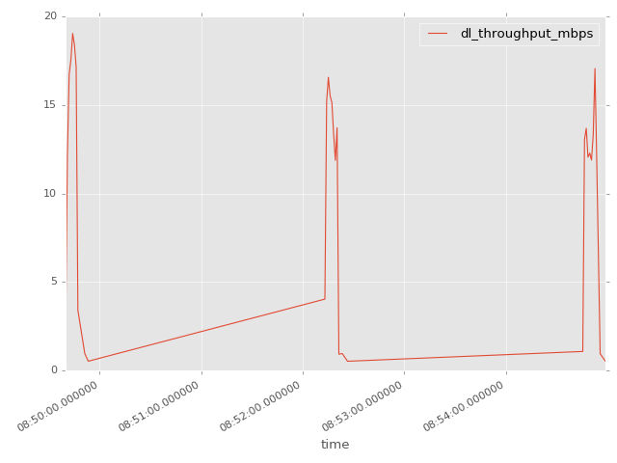
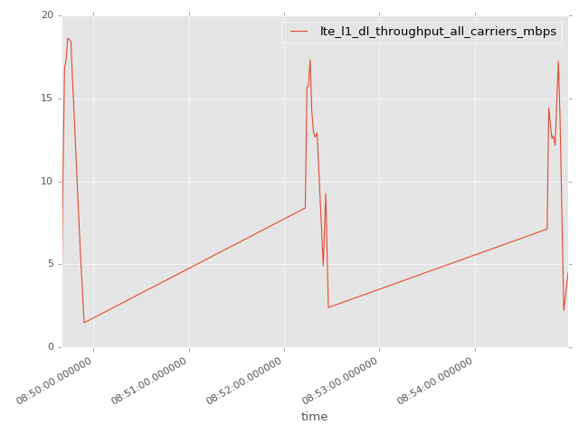
App Throughput by Time Graph | LTE Throughput by Time Graph

lte_l1_dl_throughput_all_carri
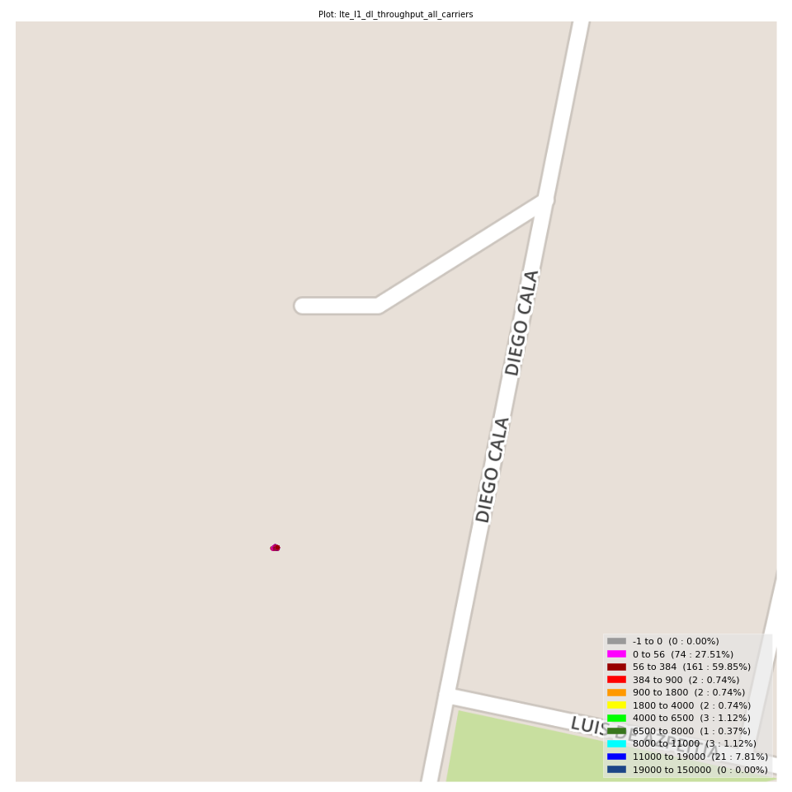
lte_l1_dl_throughput_all_carriers Report

Sampling Distribution Histogram
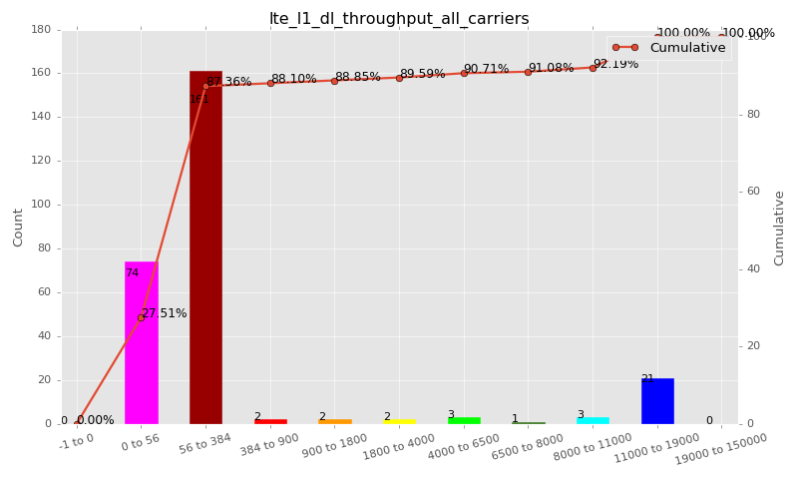

Sampling Distribution Table (first 10 ranges)
ColorXml | Lower | Upper | N Samples | Range | % | Cumulative %
 | -1 | 0 | 0 | -1 to 0 | 0.00 | 0.00
 | 0 | 56 | 74 | 0 to 56 | 27.51 | 27.51
 | 56 | 384 | 161 | 56 to 384 | 59.85 | 87.36
 | 384 | 900 | 2 | 384 to 900 | 0.74 | 88.10
 | 900 | 1800 | 2 | 900 to 1800 | 0.74 | 88.85
 | 1800 | 4000 | 2 | 1800 to 4000 | 0.74 | 89.59
 | 4000 | 6500 | 3 | 4000 to 6500 | 1.12 | 90.71
 | 6500 | 8000 | 1 | 6500 to 8000 | 0.37 | 91.08
 | 8000 | 11000 | 3 | 8000 to 11000 | 1.12 | 92.19
 | 11000 | 19000 | 21 | 11000 to 19000 | 7.81 | 100.00

Basic statistics
N | 269
Mean | 1495.71
SD | 4205.86
MAX | 18630.83
Median | 104.00
Min | 2.73

Geographical Plot

data_download_overall
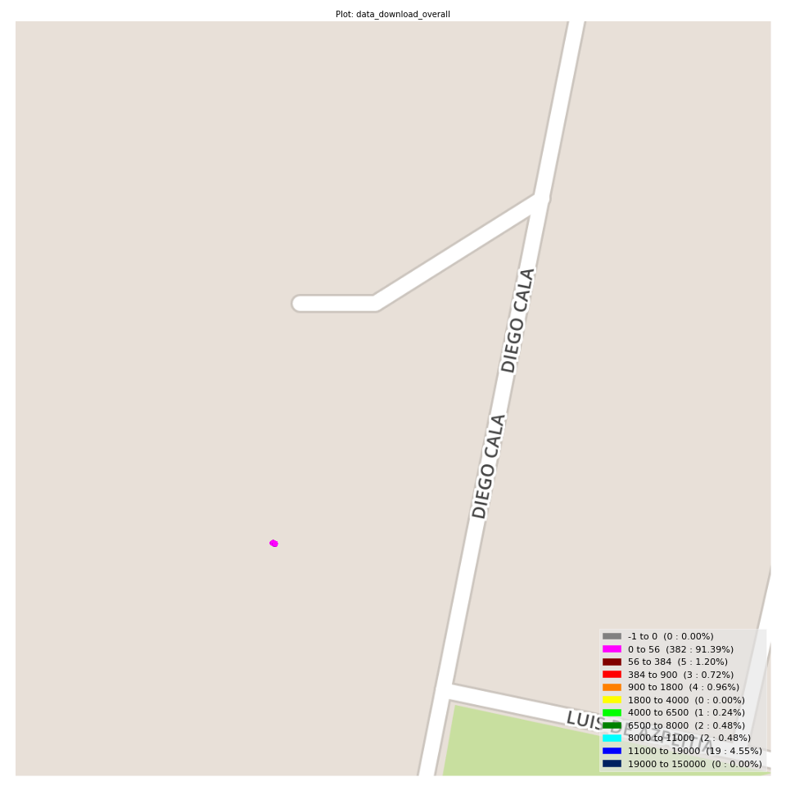
data_download_overall Report

Sampling Distribution Histogram
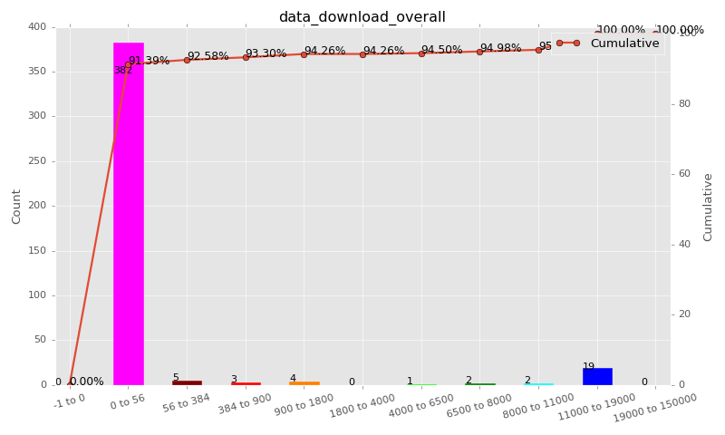

Sampling Distribution Table (first 10 ranges)
ColorXml | Lower | Upper | N Samples | Range | % | Cumulative %
 | -1 | 0 | 0 | -1 to 0 | 0.00 | 0.00
 | 0 | 56 | 382 | 0 to 56 | 91.39 | 91.39
 | 56 | 384 | 5 | 56 to 384 | 1.20 | 92.58
 | 384 | 900 | 3 | 384 to 900 | 0.72 | 93.30
 | 900 | 1800 | 4 | 900 to 1800 | 0.96 | 94.26
 | 1800 | 4000 | 0 | 1800 to 4000 | 0.00 | 94.26
 | 4000 | 6500 | 1 | 4000 to 6500 | 0.24 | 94.50
 | 6500 | 8000 | 2 | 6500 to 8000 | 0.48 | 94.98
 | 8000 | 11000 | 2 | 8000 to 11000 | 0.48 | 95.45
 | 11000 | 19000 | 19 | 11000 to 19000 | 4.55 | 100.00

Basic statistics
N | 418
Mean | 775.99
SD | 3192.61
MAX | 18902.01
Median | 0.00
Min | 0.00

Geographical Plot

lte_inst_rsrp_1
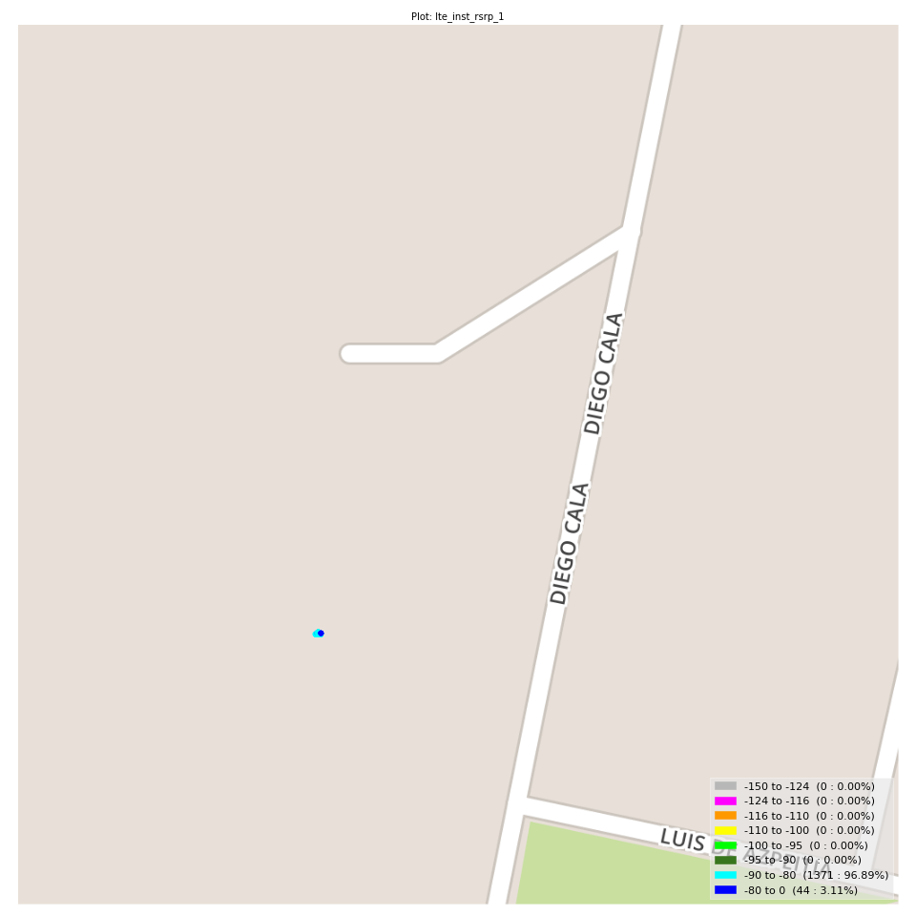
lte_inst_rsrp_1 Report

Sampling Distribution Histogram
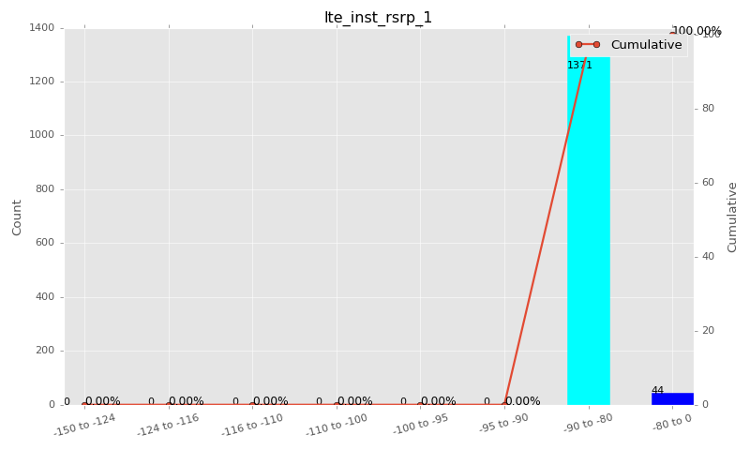

Sampling Distribution Table (first 10 ranges)
ColorXml | Lower | Upper | N Samples | Range | % | Cumulative %
 | -150 | -124 | 0 | -150 to -124 | 0.00 | 0.00
 | -124 | -116 | 0 | -124 to -116 | 0.00 | 0.00
 | -116 | -110 | 0 | -116 to -110 | 0.00 | 0.00
 | -110 | -100 | 0 | -110 to -100 | 0.00 | 0.00
 | -100 | -95 | 0 | -100 to -95 | 0.00 | 0.00
 | -95 | -90 | 0 | -95 to -90 | 0.00 | 0.00
 | -90 | -80 | 1371 | -90 to -80 | 96.89 | 96.89
 | -80 | 0 | 44 | -80 to 0 | 3.11 | 100.00

Basic statistics
N | 1415
Mean | -83.20
SD | 1.14
MAX | -76.25
Median | -83.38
Min | -87.50

Geographical Plot

lte_inst_rsrq_1
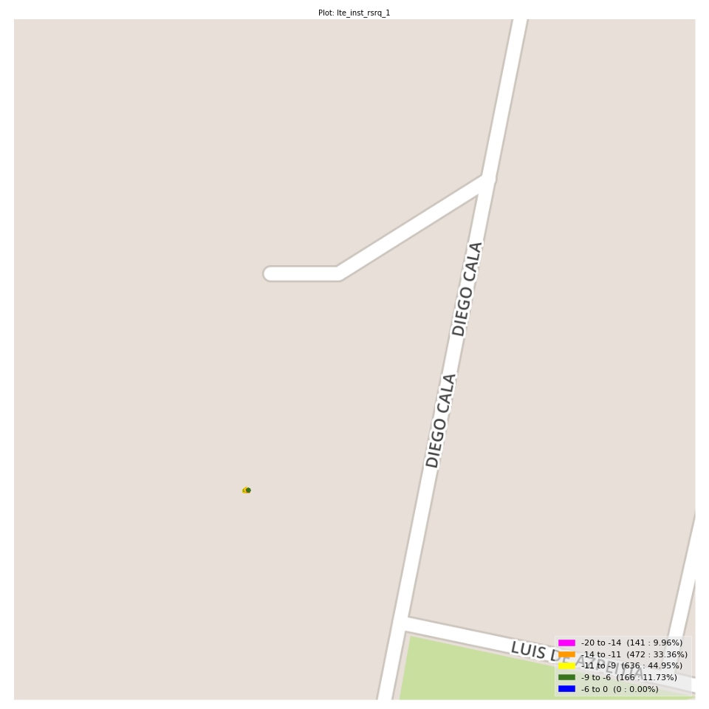
lte_inst_rsrq_1 Report

Sampling Distribution Histogram
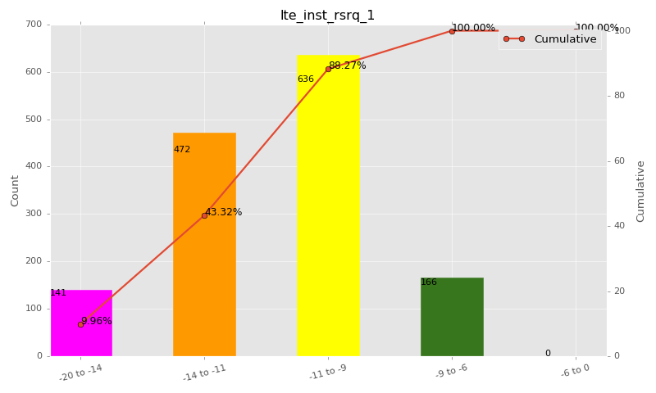

Sampling Distribution Table (first 10 ranges)
ColorXml | Lower | Upper | N Samples | Range | % | Cumulative %
 | -20 | -14 | 141 | -20 to -14 | 9.96 | 9.96
 | -14 | -11 | 472 | -14 to -11 | 33.36 | 43.32
 | -11 | -9 | 636 | -11 to -9 | 44.95 | 88.27
 | -9 | -6 | 166 | -9 to -6 | 11.73 | 100.00
 | -6 | 0 | 0 | -6 to 0 | 0.00 | 100.00

Basic statistics
N | 1415
Mean | -11.10
SD | 2.00
MAX | -6.81
Median | -10.75
Min | -17.29

Geographical Plot

lte_inst_rssi_1
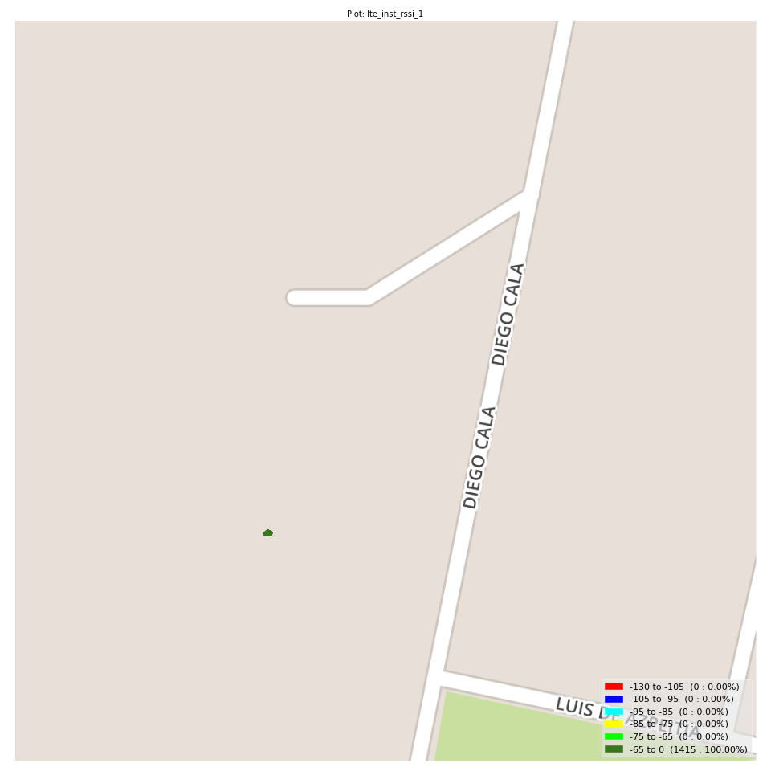
lte_inst_rssi_1 Report

Sampling Distribution Histogram
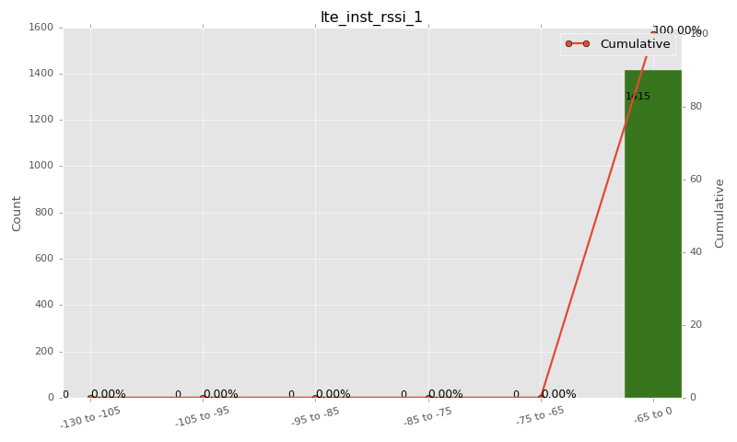

Sampling Distribution Table (first 10 ranges)
ColorXml | Lower | Upper | N Samples | Range | % | Cumulative %
 | -130 | -105 | 0 | -130 to -105 | 0.00 | 0.00
 | -105 | -95 | 0 | -105 to -95 | 0.00 | 0.00
 | -95 | -85 | 0 | -95 to -85 | 0.00 | 0.00
 | -85 | -75 | 0 | -85 to -75 | 0.00 | 0.00
 | -75 | -65 | 0 | -75 to -65 | 0.00 | 0.00
 | -65 | 0 | 1415 | -65 to 0 | 100.00 | 100.00

Basic statistics
N | 1415
Mean | -54.69
SD | 1.81
MAX | -48.91
Median | -55.00
Min | -58.12

Geographical Plot

lte_sinr_rx0_1
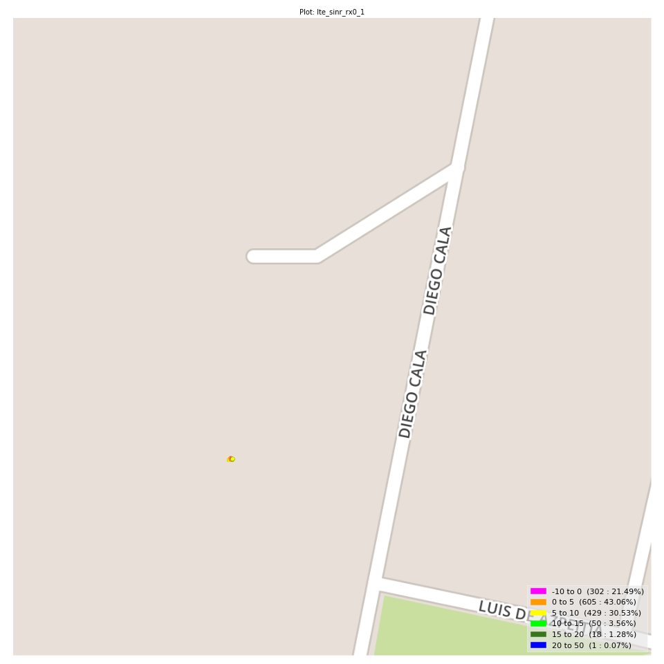
lte_sinr_rx0_1 Report

Sampling Distribution Histogram
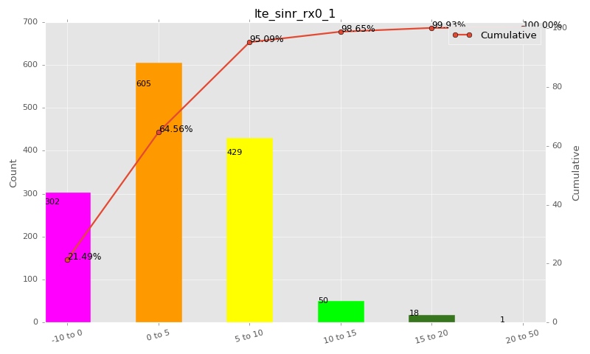

Sampling Distribution Table (first 10 ranges)
ColorXml | Lower | Upper | N Samples | Range | % | Cumulative %
 | -10 | 0 | 302 | -10 to 0 | 21.49 | 21.49
 | 0 | 5 | 605 | 0 to 5 | 43.06 | 64.56
 | 5 | 10 | 429 | 5 to 10 | 30.53 | 95.09
 | 10 | 15 | 50 | 10 to 15 | 3.56 | 98.65
 | 15 | 20 | 18 | 15 to 20 | 1.28 | 99.93
 | 20 | 50 | 1 | 20 to 50 | 0.07 | 100.00

Basic statistics
N | 1405
Mean | 3.42
SD | 4.07
MAX | 20.40
Median | 3.35
Min | -7.80

Geographical Plot

lte_sinr_rx1_1
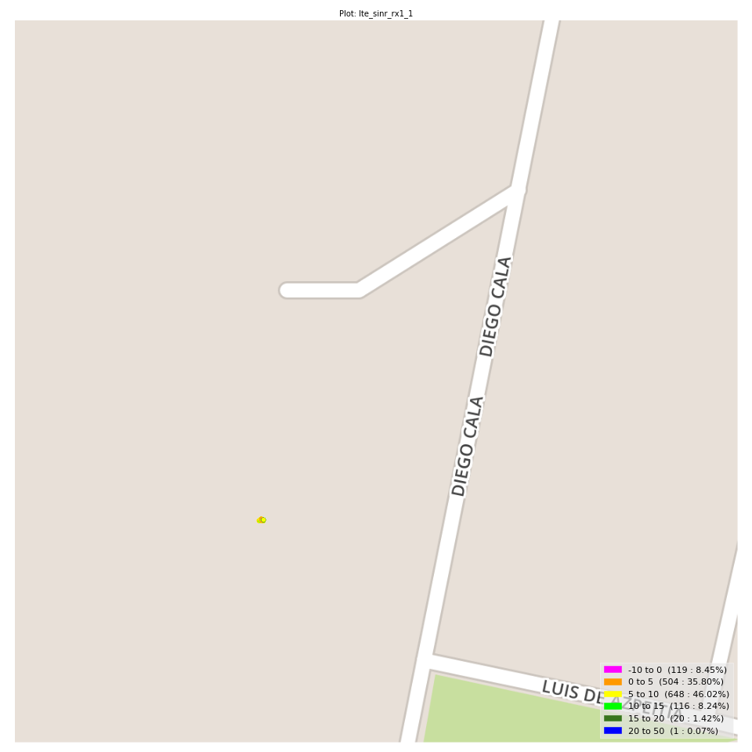
lte_sinr_rx1_1 Report

Sampling Distribution Histogram
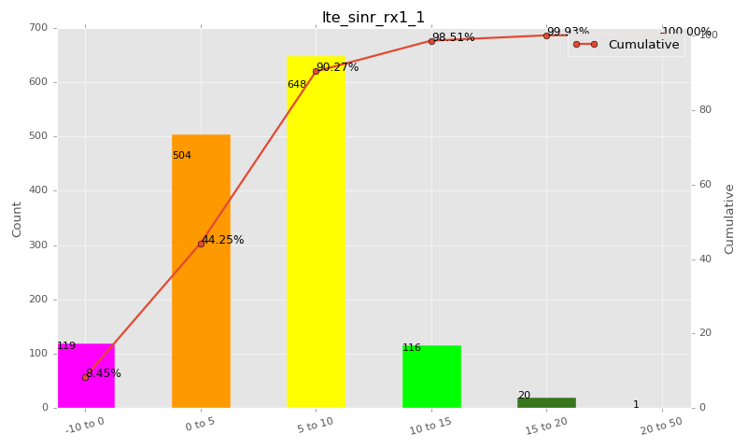

Sampling Distribution Table (first 10 ranges)
ColorXml | Lower | Upper | N Samples | Range | % | Cumulative %
 | -10 | 0 | 119 | -10 to 0 | 8.45 | 8.45
 | 0 | 5 | 504 | 0 to 5 | 35.80 | 44.25
 | 5 | 10 | 648 | 5 to 10 | 46.02 | 90.27
 | 10 | 15 | 116 | 10 to 15 | 8.24 | 98.51
 | 15 | 20 | 20 | 15 to 20 | 1.42 | 99.93
 | 20 | 50 | 1 | 20 to 50 | 0.07 | 100.00

Basic statistics
N | 1408
Mean | 5.50
SD | 3.76
MAX | 21.00
Median | 5.50
Min | -4.50

Geographical Plot

lte_physical_cell_id_1
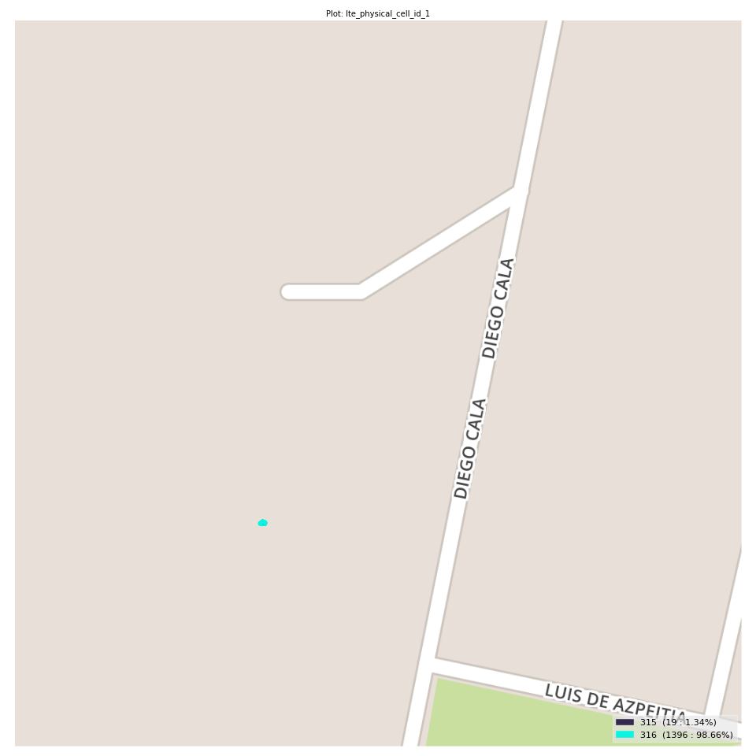
lte_physical_cell_id_1 Report

Sampling Distribution Histogram
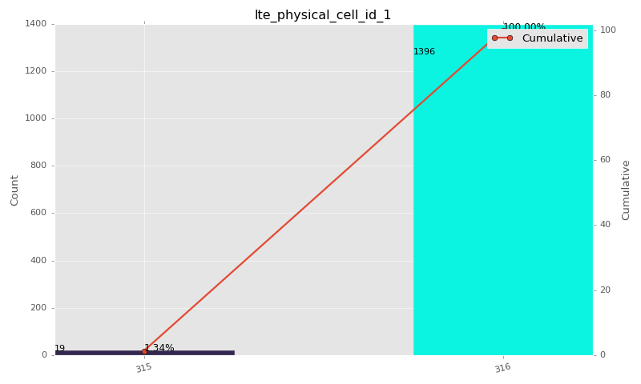

Sampling Distribution Table (first 10 ranges)
ColorXml | Lower | Upper | match_value | N Samples | Range | % | Cumulative %
 |  |  | 315 | 19 |  | 1.34 | 1.34
 |  |  | 316 | 1396 |  | 98.66 | 100.00

Basic statistics
N | 1415
Mean | N/A (id-type column: lte_physical_cell_id_1)
SD | N/A (id-type column: lte_physical_cell_id_1)
MAX | N/A (id-type column: lte_physical_cell_id_1)
Median | N/A (id-type column: lte_physical_cell_id_1)
Min | N/A (id-type column: lte_physical_cell_id_1)

Geographical Plot

lte_earfcn_1
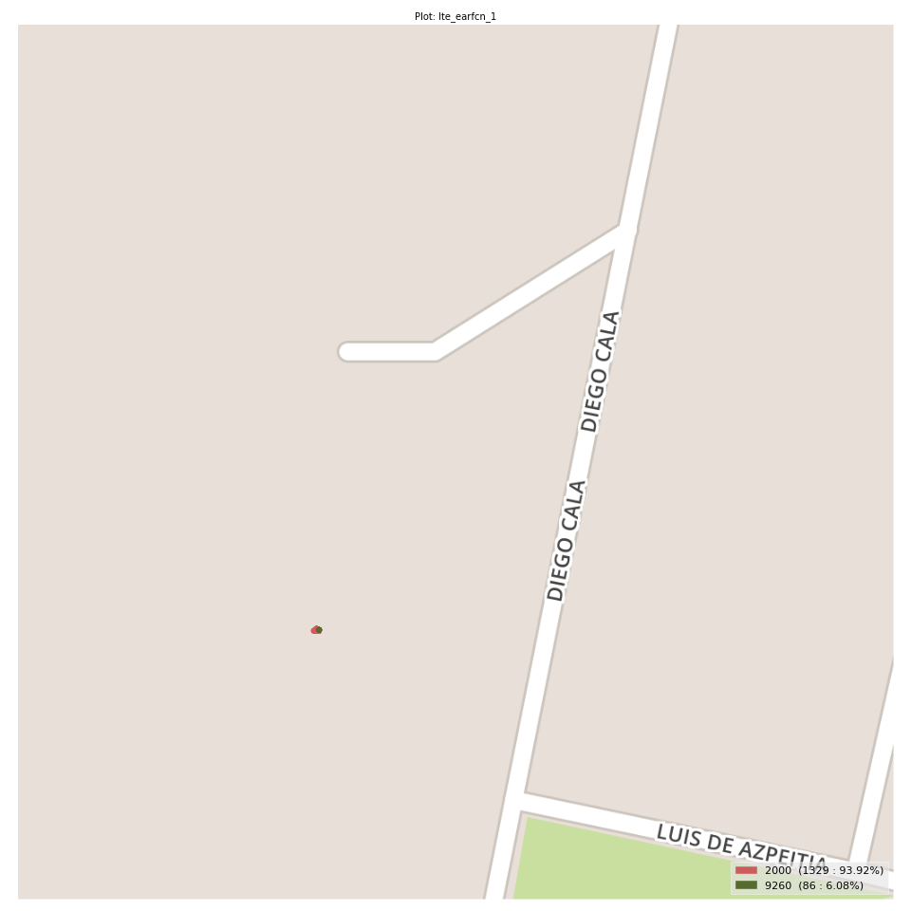
lte_earfcn_1 Report

Sampling Distribution Histogram
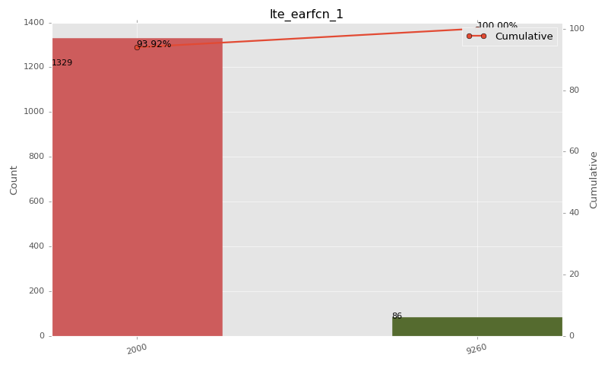

Sampling Distribution Table (first 10 ranges)
ColorXml | Lower | Upper | match_value | N Samples | Range | % | Cumulative %
 |  |  | 2000 | 1329 |  | 93.92 | 93.92
 |  |  | 9260 | 86 |  | 6.08 | 100.00

Basic statistics
N | 1415
Mean | N/A (id-type column: lte_earfcn_1)
SD | N/A (id-type column: lte_earfcn_1)
MAX | N/A (id-type column: lte_earfcn_1)
Median | N/A (id-type column: lte_earfcn_1)
Min | N/A (id-type column: lte_earfcn_1)

Geographical Plot

